Sheet1
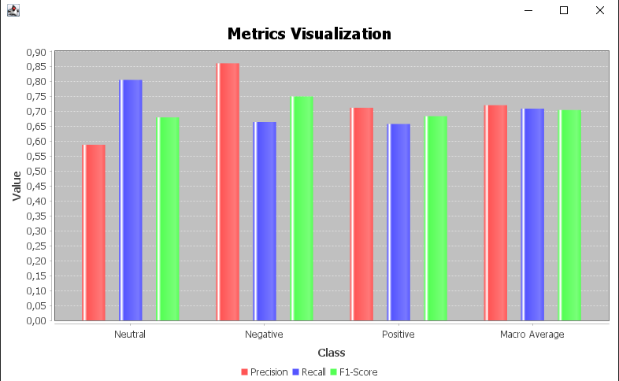
Metric | Class 1 | Class 2 | Class 3 | MACRO Average | MICRO Average | Similarity Metric
Precision | 0.721 | 0.701 | 0.739 | 0.72032553697 | 0.708 | cosine | Best K= 3
Recall | 0.697 | 0.703 | 0.712 | 0.70883783468 | 0.708 | cosine
F-Score | 0.709 | 0.702 | 0.725 | 0.70435262956 | 0.708 | cosine
Total no. of True Positive records | 768 | 854 | 497 | N/A | N/A | cosine
Total no. of False Positive records | 186 | 432 | 259 | N/A | N/A | cosine
Total no. of False Negative records | 335 | 259 | 201 | N/A | N/A | cosine

